Danger Drone - Parts
 | Danger Drone - Individual Part Costs |  |  | 2016-08-11
# | Description | Cost | Product Link | Erle Product Link | Erle Indv Cost
1 | Flight Controller | $199.00 | Erle Brain 2, a Linux brain for robots and drones | Intro | Erle Robotics Docs | $199.00
2 | GPS | $50.68 | Ublox Neo-M8N GPS with Compass | GPS+compass: uBlox Neo-M8N GPS with Compass Kit | Erle Robotics | $70.00
3 | RC Controller and Receiver | $49.00 | Turnigy TGY-i6 AFHDS Transmitter and 6CH Receiver (Mode 2) | Compatible RC Transmitter and Receiver Systems (Erle-Brain 2)
4 | Motors x4 | $45.99 | Tiger Motors 6th Anniversary Limited Edition 4x MN2213 Motors + 2 pairs T9545 Props | Brushless motors | Erle Robotics | $20.00
5 | Telemetry | $40.88 | HobbyKing - HKPilot Transceiver Telemetry Radio Set V2 (915Mhz) | Telemetry Radio | Erle Robotics | $55.00
6 | Battery (4 cell) | $39.99 | Amazon - FLOUREON 4S 35C 14.8V 5500mAh Li-Polymer RC Battery Pack (5.98*1.97*1.42… | 4S 5000 mAh Lithium Polymer | Erle Robotics | $65.00
7 | ESCs x4 | $23.57 | Amazon - Andoer 4Pcs Simonk 30AMP 30A SimonK Firmware Brushless ESC w/ 3A 5V BEC | Electronic Speed Controller | Erle Robotics | $60.00
8 | Frame (F450) | $19.99 | Amazon.com - RipaFire F450 4-Axis Multi-Rotor Quadcopter Flame Airframe | Erle-Copter frame | Erle Robotics | $50.00
9 | Power Module | $14.29 | Amazon - Ericoco Power Supply Module w/BEC APM2 2.5 APM Flight Controller | Power Module | Erle Robotics | $25.00
10 | PPM Encoder | $7.14 | HobbyKing - PPM Encoder Module HKPilot 32 | PPM Encoder — Plane documentation

 | Total: | $490.53
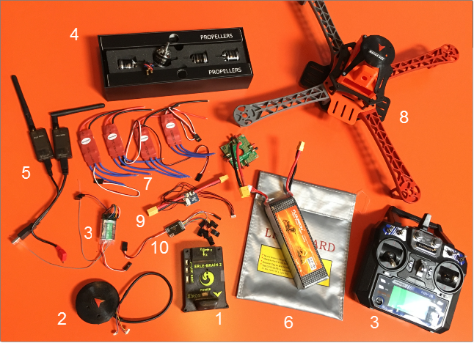

 |  |  |  | Essentially starting with working / flying Erle-Copter and then adding hacking capability (without breaking flying ability): Adding Hardware – e.g. USB peripherals to Raspberry Pi, shelves Adding Software – e.g. drivers, config changes, installs, etc.

